KPI Dashboard
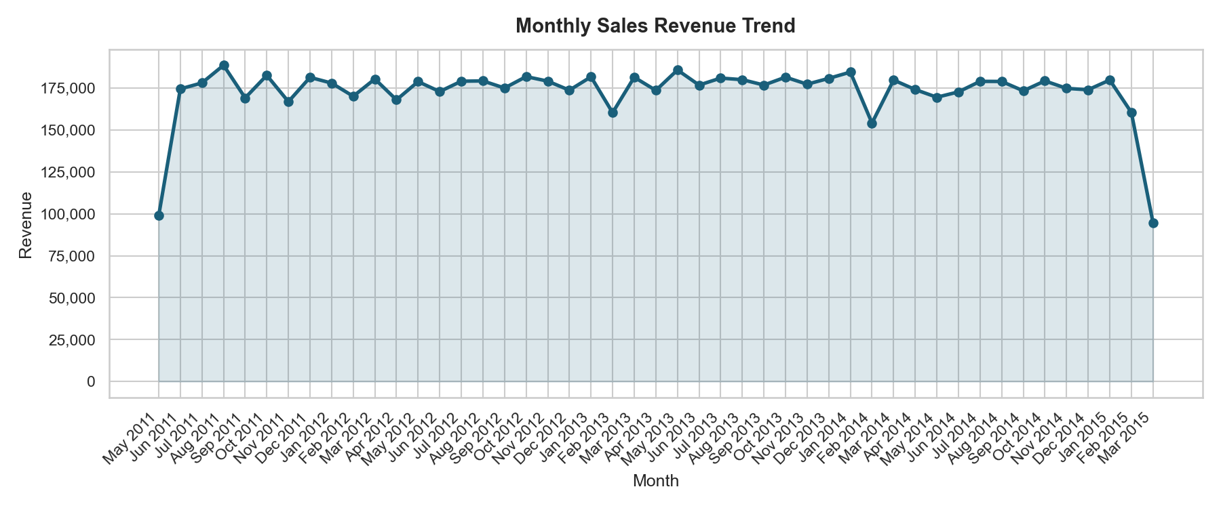
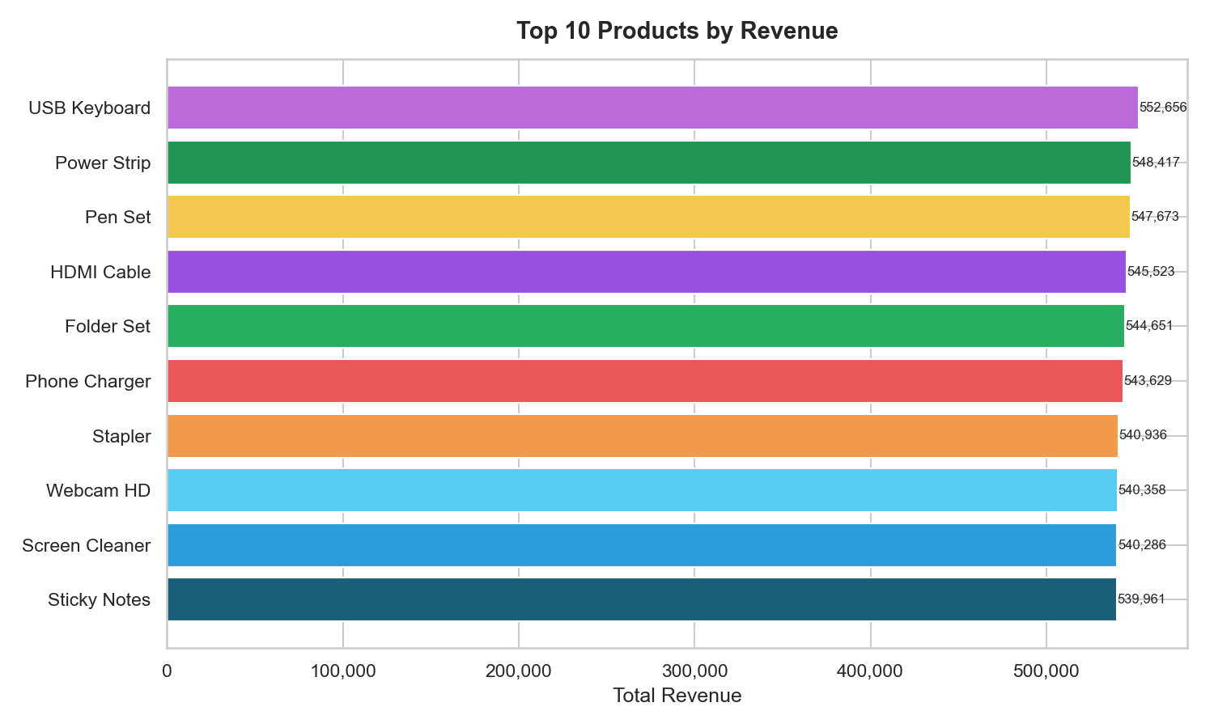
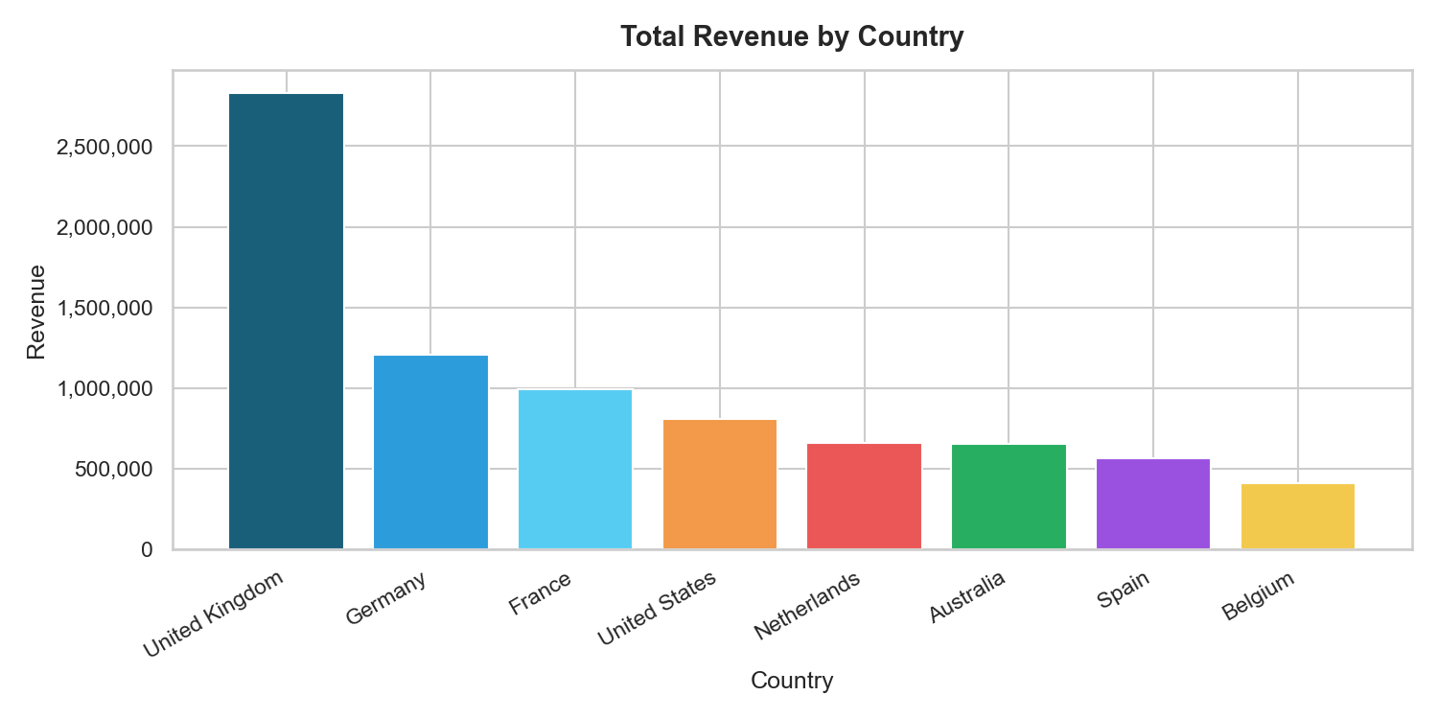

RETAIL ANALYTICS DASHBOARD
Sales Performance Report | Python Analytics Pipeline

TOTAL REVENUE | TRANSACTIONS | AVG ORDER VALUE | DATE RANGE | TOP COUNTRY | BEST PRODUCT
£8,123,989.00 | 125,000 | £64.99 | May 2011 to Mar 2015 | United Kingdom | USB Keyboard

